Check-In Lair 1
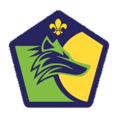
Cubs Meeting Checklist
Patrol Name | 0 |  |  | Date
Patrol Lead | 0 |  |  | Scouter Assigned | 0 | 0 | 0

Name | 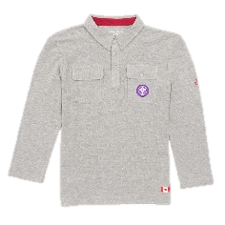 Shirt | Necker | Indoor Gear | Outdoor Gear | Dues | Good Deed

